Roles
Source: | http://ontologydesignpatterns.org/wiki/Submissions:Roles_%28OWL_2%29
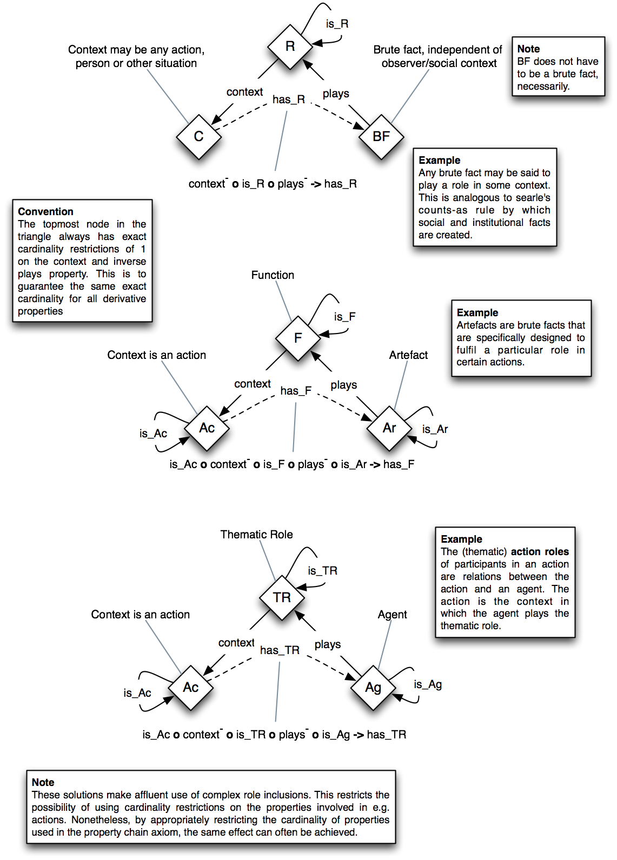
 | Triples |  | IMAGE
Node 1 | Edge | Node 2
R | is_R | R
R | context | C
C | has_R | BF
BF | plays | R

F | is_F | F
F | context | Ac
Ac | is_Ac | Ac
Ac | has_F | Ar
Ar | is_Ar | Ar
Ar | plays | F

TR | is_TR | TR
TR | context | Ac
Ac | is_Ac | Ac
Ac | has_TR | Ag
Ag | is_Ag | Ag
Ag | plays | TR

RoleTask
Source: | http://ontologydesignpatterns.org/wiki/Submissions:Role_task
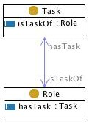
 | Triples |  | IMAGE
Node 1 | Edge | Node 2
Role | hasTask | Task
Task | isTaskOf | Role

Set
Source: | http://ontologydesignpatterns.org/wiki/Submissions:Set
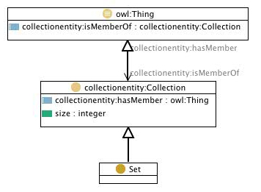
 | Triples |  | IMAGE
Node 1 | Edge | Node 2
Set | subClassOf | collectionentity:Collection
collectionentity:Collection | subClassOf | owl:Thing
owl:Thing | collectionentity:isMemberOf | collectionentity:Collection
collectionentity:Collection | collectionentity:isMemberOf | owl:Thing

SimpleOrAggregated
Source: | http://ontologydesignpatterns.org/wiki/Submissions:SimpleOrAggregated
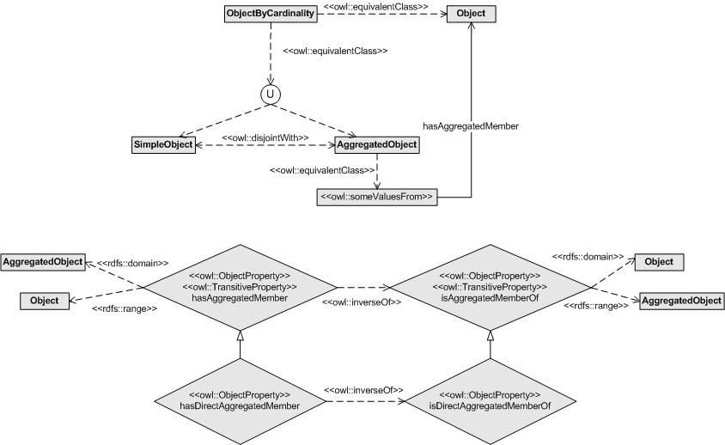
 | Triples |  | IMAGE
Node 1 | Edge | Node 2
ObjectByCardinality | owl:equivalentClass | Object
ObjectByCardinality | owl:equivalentClass | U
U |  | SimpleObject
U |  | AggregatedObject
SimpleObject | owl:disjointWith | AggregatedObject
AggregatedObject | owl:equivalentClass | hasAggregatedMember owl:someValuesFrom Object

Situation
Source: | http://ontologydesignpatterns.org/wiki/Submissions:Situation
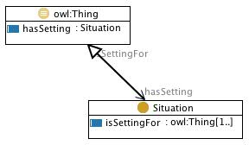
 | Triples |  | IMAGE
Node 1 | Edge | Node 2
Situation | subClassOf | owl:Thing
owl:Thing | hasSetting | Situation
Situation | isSettingFor | owl:Thing

SmartCityStrategy
Source: | http://ontologydesignpatterns.org/wiki/Submissions:Smart_City_Strategy_Design
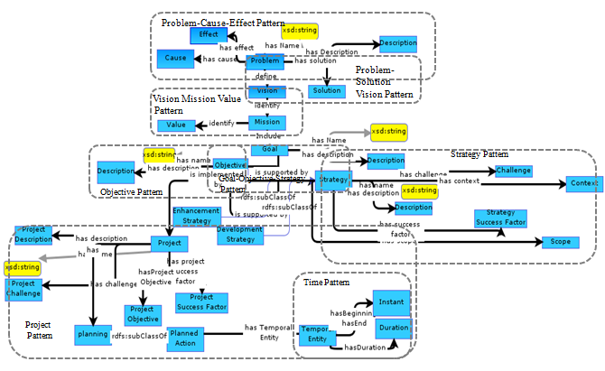
 | Triples |  | IMAGE
Node 1 | Edge | Node 2
Mission | include | Goal
Mission | identify | Value
Vision | identify | Mission
Problem | define | Vision
Problem | hasEffect | Effect
Problem | hasCause | Cause
Problem | hasSolution | Solution
Problem | hasName | xsd:string
Problem | hasDescription | Description
Goal | hasDescription | Description
Goal | hasName | xsd:string
Goal | hasObjective | Objective
Objective | hasName | xsd:string
Objective | hasDescription | xsd:string
Objective | isSupportedBy | Strategy
Objective | hasScope | Scope
Strategy | hasSuccessFactor | StrategySuccessFactor
Strategy | hasDescription | Description
Strategy | hasName | xsd:string
Strategy | hasContext | Context
Strategy | hasChallenge | Challenge
Objective |  | EnhancementStrategy
Objective |  | DevelopmentStrategy
Objective | isImplementedBy | Project
Project | hasDescription | ProjectDescription
Project | hasName | xsd:string
Project | has | planning
Project | hasChallenge | ProjectChallenge
Project | hasProjectSuccessFactor | ProjectSuccessFactor
Project | hasProjectObjective | ProjectObjective
ProjectObjective | rdfs:subClassOf | PlannedAction
PlannedObjective | hasTemporalEntity | TemporalEntity
TemporalEntity | hasDuration | Duration
TemporalEntity | hasBeginning | Instant
TemporalEntity | hasEnd | Instant

SmartHomeEvent
Source: | http://ontologydesignpatterns.org/wiki/Submissions:SmartHome_Event

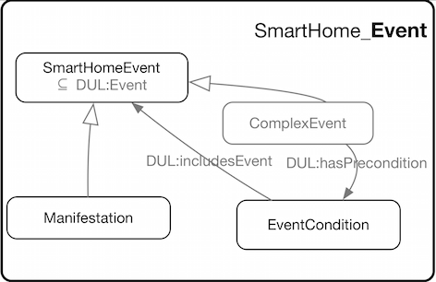
 | Triples |  | IMAGE
Node 1 | Edge | Node 2
Manifestation | subClassOf | SmartHomeEvent
ComplexEvent | subClassOf | SmartHomeEvent
ComplexEvent | DUL:hasPrecondition | EventCondition
EventCondition | DUL:includesEvent | SmartHomeEvent

SmarHomeFeatureOfInterest
Source: | http://ontologydesignpatterns.org/wiki/Submissions:SmartHome_FeatureOfInterest

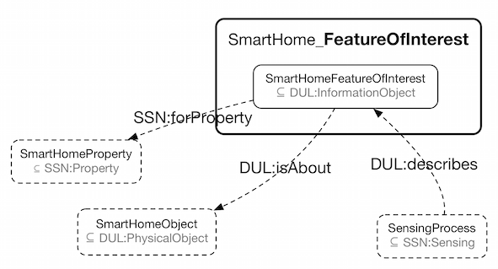
 | Triples |  | IMAGE
Node 1 | Edge | Node 2
SmartHomeFeatureOfInterest | SSN:forProperty | SmartHomeProperty
SmartHomeFeatureOfInterest | DUL:isAbout | SmartHomeObject
SmartHomeFeatureOfInterest | DUL:describes | SensingProcess

SmartHomeGeometry
Source: | http://ontologydesignpatterns.org/wiki/Submissions:SmartHome_Geometry

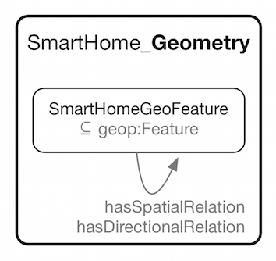
 | Triples |  | IMAGE
Node 1 | Edge | Node 2
SmartHomeGeoFeature | hasSpatialRelation | SmartHomeGeoFeature
SmartHomeGeoFeature | hasDirectionalRelation | SmartHomeGeoFeature

SmartHomeNetwork
Source: | http://ontologydesignpatterns.org/wiki/Submissions:SmartHome_Network
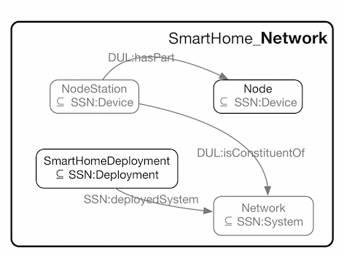
 | Triples |  | IMAGE
Node 1 | Edge | Node 2
SmartHomeDeployment | SSN:deployedSystem | Network
NodeStation | DUL:isConstituentOf | Network
NodeStation | DUL:hasPart | Node

SocialReality
Source: | http://ontologydesignpatterns.org/wiki/Submissions:Social_Reality_%28OWL_2%29

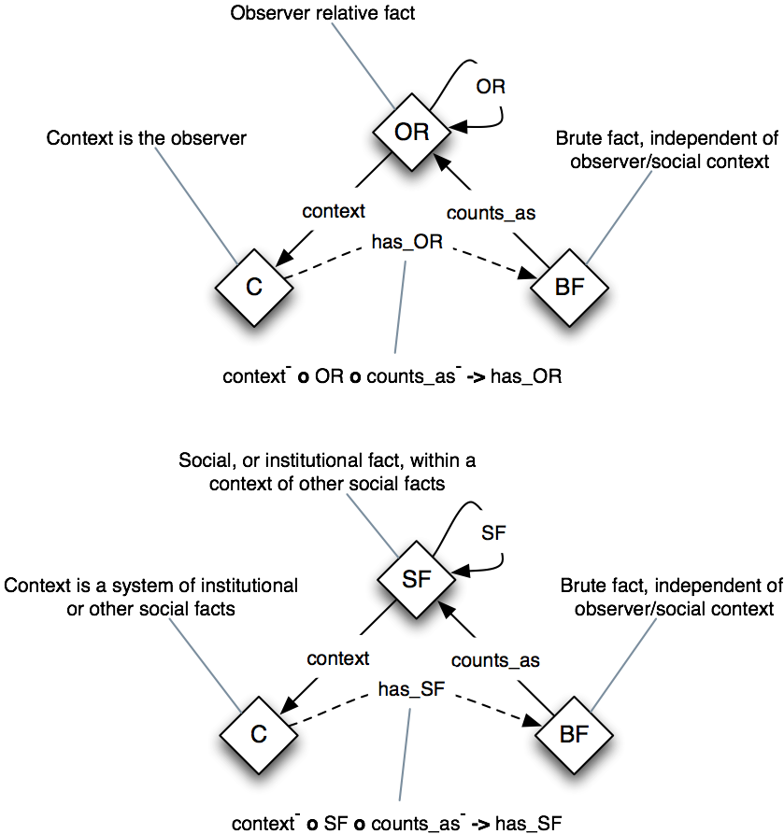
 | Triples |  | IMAGE
Node 1 | Edge | Node 2
OR | OR | OR
OR | context | C
C | hasOR | BF
BF | countsAs | OR

SF | SF | SF
SF | context | C
C | hasOR | BF
BF | countsAs | SF

SpatioTemporalExtent
Source: | http://ontologydesignpatterns.org/wiki/Submissions:SpatioTemporalExtent

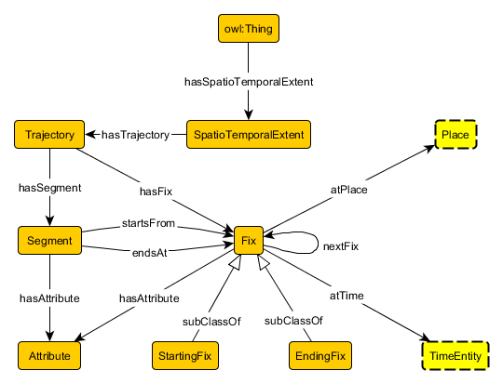
 | Triples |  | IMAGE
Node 1 | Edge | Node 2
StartingFix | subClassOf | Fix
EndingFix | subClassOf | Fix
Fix | atPlace | Place
Fix | atTime | TimeEntity
Fix | nextFix | Fix
Fix | hasAttribute | Attribute
owl:Thing | hasSpatioTemporalExtent | SpatioTemporalExtent
SpatioTemporalExtent | hasTrajectory | Trajectory
Trajectory | hasFix | Fix
Trajectory | hasSegment | Segment
Segment | hasAttribute | Attribute
Segment | startsFrom | Fix
Segment | endsAt | Fix

SpeciesBathymetry
Source: | http://ontologydesignpatterns.org/wiki/Submissions:SpeciesBathymetry
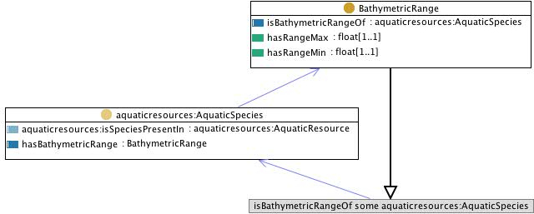
 | Triples |  | IMAGE
Node 1 | Edge | Node 2
aquaticresources:AquaticSpecies | hasBathymetricRange | BathymetricRange
BaythmetricRange | subClassOf | isBathymetricRangeOf some aquaticresources:AquaticSpecies

SpeciesConditions
Source: | http://ontologydesignpatterns.org/wiki/Submissions:SpeciesConditions
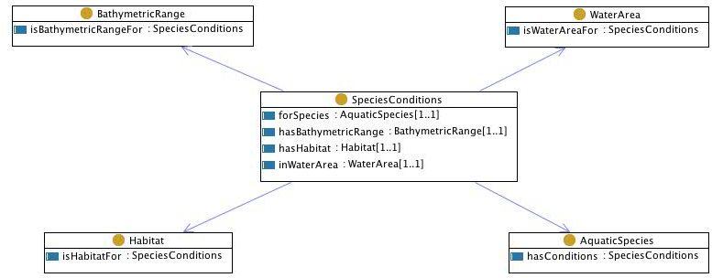
 | Triples |  | IMAGE
Node 1 | Edge | Node 2
SpeciesConditions | forSpecies | AquaticSpecies
SpeciesConditions | hasBathymetricRange | BathymetricRange
SpeciesConditions | hasHabitat | Habitat
SpeciesConditions | inWaterArea | WaterArea

SpeciesConservation
Source: | http://ontologydesignpatterns.org/wiki/Submissions:SpeciesConservation
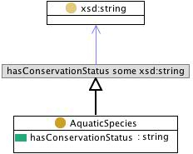
 | Triples |  | IMAGE
Node 1 | Edge | Node 2
AquaticSpecies | subClassOf | hasConservationStatus some xsd:string

SpeciesEat
Source: | http://ontologydesignpatterns.org/wiki/Submissions:SpeciesEat
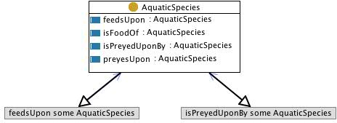
 | Triples |  | IMAGE
Node 1 | Edge | Node 2
AquaticSpecies | subClassOf | feedsUpon some AquaticSpecies
AquaticSpecies | subClassOf | isPreyedUponBy some AquaticSpecies

SpeciesHabitat
Source: | http://ontologydesignpatterns.org/wiki/Submissions:SpeciesHabitat
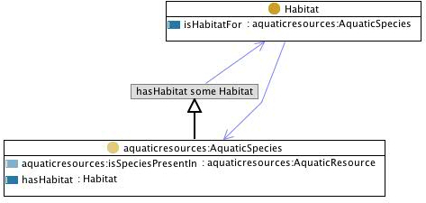
 | Triples |  | IMAGE
Node 1 | Edge | Node 2
Habitat | isHabitatFor | aquaticresources:AquaticSpecies
aquaticresources:AquaticSpecies | subClassOf | hasHabitat some Habitat

StandardEnforcerPattern
Source: | http://ontologydesignpatterns.org/wiki/Submissions:Standard_Enforcer_Pattern
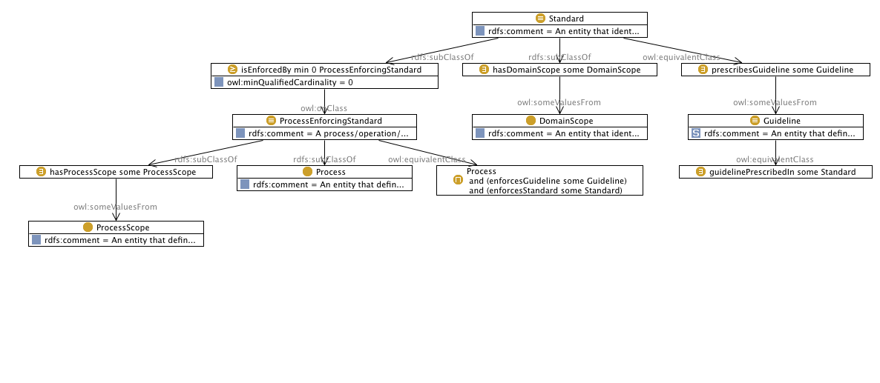
 | Triples |  | IMAGE
Node 1 | Edge | Node 2
Standard | rdfs:subClassOf | hasDomainScope some DomainScope
hasDomainScope some DomainScope | owl:someVauesFrom | DomainScope
Standard | owl:equivalentClass | prescribesGuideline some Guideline
prescribesGuideline some Guideline | owl:someVauesFrom | Guideline
Guideline | owl:equivalentClass | guidelinePrescribedIn some Standard
Standard | rdfs:subClassOf | isEnforcedBy min 0 ProcessEnforcingStandard
isEnforcedBy min 0 ProcessEnforcingStandard | owl:onClass | ProcessEnforcingStandard
ProcessEnforcingStandard | owl:equivalentClass | Process and (enforcesGuideline some Guideline) and (enforcesStandard some Standard)
ProcessEnforcingStandard | rdfs:subClassOf | Process
ProcessEnforcingStandard | rdfs:subClassOf | hasProcessScope some ProcessScope
hasProcessScope some ProcessScope | owl:someValuesFrom | ProcessScope

Tagging
Source: | http://ontologydesignpatterns.org/wiki/Submissions:Tagging
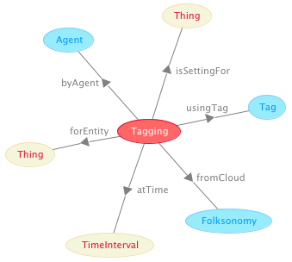
 | Triples |  | IMAGE
Node 1 | Edge | Node 2
Tagging | isSettingFor | Thing
Tagging | usingTag | Tag
Tagging | fromCloud | Folksonomy
Tagging | atTime | TimeInterval
Tagging | forEntity | Thing
Tagging | byAgent | Agent

TaskExecution
Source: | http://ontologydesignpatterns.org/wiki/Submissions:TaskExecution
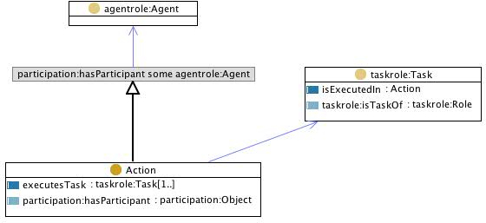
 | Triples |  | IMAGE
Node 1 | Edge | Node 2
Action | subClassOf | participation:hasParticipant some agentrole:Agent
Action | executesTask | taskrole:Task

TemplateInstance
Source: | http://ontologydesignpatterns.org/wiki/Submissions:Template_Instance

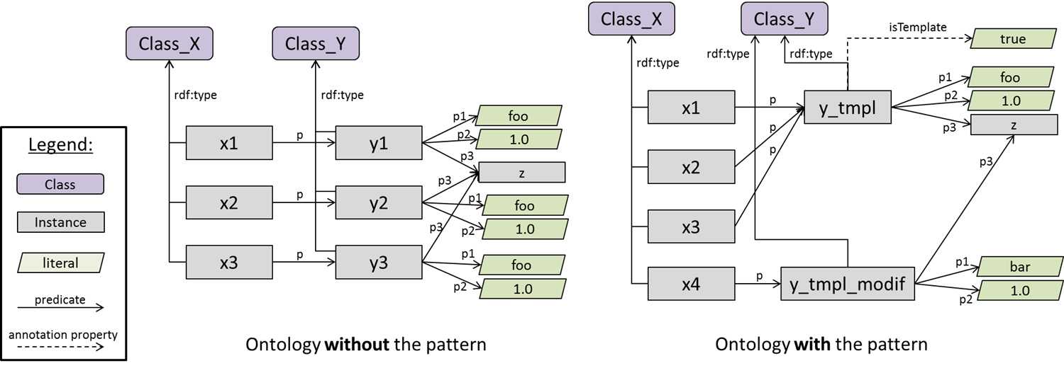
 | Triples |  | IMAGE
Node 1 | Edge | Node 2
x1 | p | y1
x2 | p | y2
x3 | p | y3
x1 | rdf:type | Class_X
x2 | rdf:type | Class_X
x3 | rdf:type | Class_X
y1 | rdf:type | Class_Y
y2 | rdf:type | Class_Y
y3 | rdf:type | Classs_Y
y1 | p1 | foo
y1 | p2 | 1
y1 | p3 | z
y2 | p3 | z
y2 | p1 | foo
y2 | p2 | 1
y3 | p3 | z
y3 | p1 | foo
y3 | p2 | 1

x1 | p | y_tmpl
x2 | p | y_tmpl
x3 | p | y_tmpl
x4 | p | y_tmpl_modif
y_tmpl_modif | rdf:type | Class_Y
x1 | rdf:type | Class_X
x2 | rdf:type | Class_X
x3 | rdf:type | Class_X
x4 | rdf:type | Class_X
y_tmpl | rdf:type | Class_Y
y_tmpl | isTemplate | TRUE
y_tmpl | p1 | foo
y_tmpl | p2 | 1
y_tmpl | p3 | z
y_tmpl_modif | p1 | foo
y_tmpl_modif | p2 | 1
y_tmpl_modif | p3 | z

TimeIndexedParticipation
Source: | http://ontologydesignpatterns.org/wiki/Submissions:Time_indexed_participation

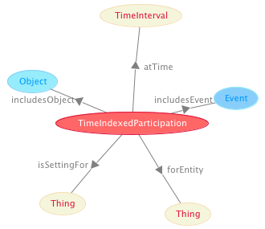
 | Triples |  | IMAGE
Node 1 | Edge | Node 2
TimeIndexedParticipation | atTime | TimeInterval
TimeIndexedParticipation | includesEvent | Event
TimeIndexedParticipation | forEntity | Thing
TimeIndexedParticipation | isSettingFor | Thing
TimeIndexedParticipation | includesObject | Object

TimeIndexedPersonRole
Source: | http://ontologydesignpatterns.org/wiki/Submissions:Time_indexed_person_role
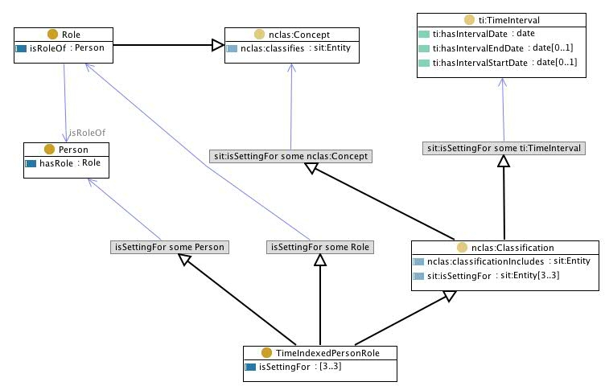
 | Triples |  | IMAGE
Node 1 | Edge | Node 2
TimeIndexedPersonRole | subClassOf | isSettingFor some Person
TimeIndexedPersonRole | subClassOf | isSettingFor some Role
nclas:Classification | subClassOf | sit:isSettingFor some ti:TimeInterval
nclas:Classification | subClassOf | sit:isSettingFor some nclas:Concept
TimeIndexedPersonRole | subClassOf | nclas:Classification
Role | isRoleOf | Person
Role | subClassOf | nclas:Concept

TimeIndexedPartOf
Source: | http://ontologydesignpatterns.org/wiki/Submissions:TimeIndexedPartOf
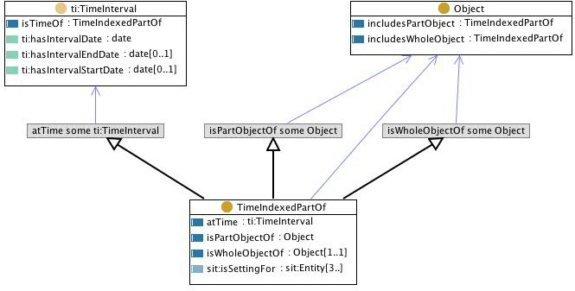
 | Triples |  | IMAGE
Node 1 | Edge | Node 2
TimeIndexedPartOf | subClassOf | isPartObjectOf some Object
TimeIndexedPartOf | subClassOf | isWholeObjectOf some Object
TimeIndexedPartOf | subClassOf | atTime some ti:TimeInterval
TimeIndexedPartOf | isPartObjectOf | Object
TimeIndexedPartOf | isWholeObjectOf | Object

TimeIndexedSituation
Source: | http://ontologydesignpatterns.org/wiki/Submissions:TimeIndexedSituation

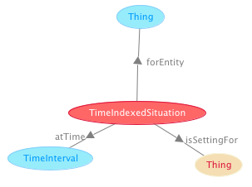
 | Triples |  | IMAGE
Node 1 | Edge | Node 2
TimeIndexedSituation | forEntity | Thing
TimeIndexedSituation | isSettingFor | Thing
TimeIndexedSituation | atTime | TimeInterval

Topic
Source: | http://ontologydesignpatterns.org/wiki/Submissions:Topic
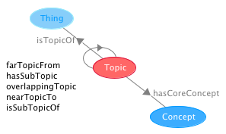
 | Triples |  | IMAGE
Node 1 | Edge | Node 2
Topic | isTopicOf | Thing
Topic | hasCoreConcept | Concept
Topic | farTopicFrom | Topic
Topic | hasSubTopic | Topic
Topic | overlappingTopic | Topic
Topic | nearTopicTo | Topic
Topic | isSubTopicOf | Topic

Trajectory
Source: | http://ontologydesignpatterns.org/wiki/Submissions:Trajectory

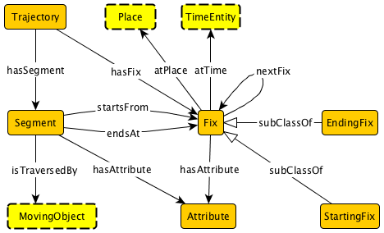
 | Triples |  | IMAGE
Node 1 | Edge | Node 2
StartingFix | subClassOf | Fix
EndingFix | subClassOf | Fix
Fix | atPlace | Place
Fix | atTime | TimeEntity
Fix | nextFix | Fix
Fix | hasAttribute | Attribute
Trajectory | hasFix | Fix
Trajectory | hasSegment | Segment
Segment | hasAttribute | Attribute
Segment | startsFrom | Fix
Segment | endsAt | Fix
Segment | isTraversedBy | MovingObject

Transition
Source: | http://ontologydesignpatterns.org/wiki/Submissions:Transition
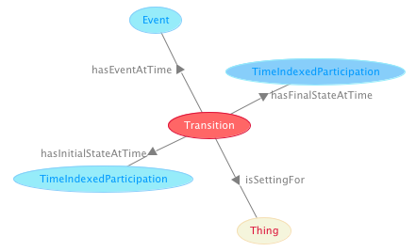
 | Triples |  | IMAGE
Node 1 | Edge | Node 2
Transition | hasFinalStateAtTime | TimeIndexedParticipation
Transition | hasEventAtTime | Event
Transition | hasInitialStateAtTime | TimeIndexedParticipation
Transition | isSettingFor | Thing

TypesOfEntities
Source: | http://ontologydesignpatterns.org/wiki/Submissions:Types_of_entities
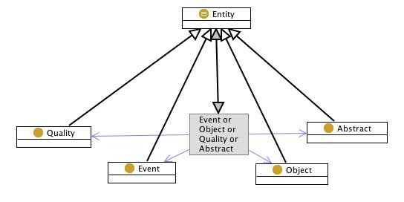
 | Triples |  | IMAGE
Node 1 | Edge | Node 2
Entity | equivalentClass | Event or Object or Quality or Abstract
Event | subClassOf | Entity
Object | subClassOf | Entity
Abstract | subClassOf | Entity
Quality | subClassOf | Entity

VesselSpecies
Source: | http://ontologydesignpatterns.org/wiki/Submissions:VesselSpecies

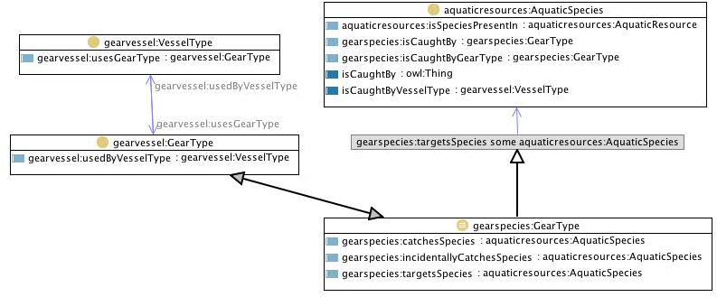
 | Triples |  | IMAGE
Node 1 | Edge | Node 2
gearspecies:GearType | equivalentClass | gearvessel:GearType
gearvessel:GearType | gearvessel:usedByVesselType | gearvessel:VesselType
gearvessel:VesselType | gearvessel:usesGearType | gearvessel:GearType
gearspecies:GearType | subClassOf | gearspecies:targetsSpecies some aquaticresources:AquaticSpecies

VesselWaterArea
Source: | http://ontologydesignpatterns.org/wiki/Submissions:VesselWaterArea
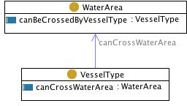
 | Triples |  | IMAGE
Node 1 | Edge | Node 2
VesselType | canCrossWaterArea | WaterArea

